New v Ref
NEW v. REF Bonds in Atlanta by Year
Year | NEW | REF | SUM
2000 | 44 | 63 | 107
2001 | 131 | 7 | 138
NEW v. REF Bonds in Atlanta
2002 | 60 | 4 | 64
2003 | 38 | 37 | 75
2004 | 142 | 0 | 142
2005 | 116 | 65 | 181
2006 | 84 | 0 | 84
2007 | 62 | 22 | 84
2008 | 30 | 14 | 44
2009 | 66 | 45 | 111
2010 | 59 | 29 | 88
2011 | 8 | 39 | 47
2012 | 79 | 0 | 79
2013 | 4 | 39 | 43
2014 | 50 | 64 | 114
2015 | 68 | 22 | 90
2016 | 86 | 68 | 154
2017 | 128 | 39 | 167
2018 | 79 | 43 | 122
2019 | 154 | 49 | 203
2020 | 26 | 31 | 57
2021 | 5 | 0 | 5

 | NEW | REF
Total | 1519 | 680

 | NEW | REF
2000 | 44 | 63
2001 | 131 | 7
2002 | 60 | 4
2003 | 38 | 37
2004 | 142
2005 | 116 | 65
2006 | 84
2007 | 62 | 22
2008 | 30 | 14
2009 | 66 | 45
2010 | 59 | 29
2011 | 8 | 39
2012 | 79
2013 | 4 | 39
2014 | 50 | 64
2015 | 68 | 22
2016 | 86 | 68
2017 | 128 | 39
2018 | 79 | 43
2019 | 154 | 49
2020 | 26 | 31
2021 | 5

Count of CP Mapping | Column Labels
Row Labels | NEW | REF | Grand Total
2000 | 44 | 63 | 107
2001 | 131 | 7 | 138
2002 | 60 | 4 | 64
2003 | 38 | 37 | 75
2004 | 142 |  | 142
2005 | 116 | 65 | 181
2006 | 84 |  | 84
2007 | 62 | 22 | 84
2008 | 30 | 14 | 44
2009 | 66 | 45 | 111
2010 | 59 | 29 | 88
2011 | 8 | 39 | 47
2012 | 79 |  | 79
2013 | 4 | 39 | 43
2014 | 50 | 64 | 114
2015 | 68 | 22 | 90
2016 | 86 | 68 | 154
 | NEW | REF
2000 | 44 | 63
2001 | 131 | 7
2002 | 60 | 4
2003 | 38 | 37
2004 | 142
2005 | 116 | 65
2006 | 84
2007 | 62 | 22
2008 | 30 | 14
2009 | 66 | 45
2010 | 59 | 29
2011 | 8 | 39
2012 | 79
2013 | 4 | 39
2014 | 50 | 64
2015 | 68 | 22
2016 | 86 | 68
2017 | 128 | 39
2018 | 79 | 43
2019 | 154 | 49
2020 | 26 | 31
2021 | 5
2017 | 128 | 39 | 167
2018 | 79 | 43 | 122
2019 | 154 | 49 | 203
2020 | 26 | 31 | 57
2021 | 5 |  | 5
Grand Total | 1519 | 680 | 2199

Ratings
Ratings by agency

Fitch | https://www.fitchratings.com/products/rating-definitions#:~:text=Fitch's%20credit%20rating%20scale%20for,default%20or%20recovery%20for%20issues.
"Fitch’s credit rating scale for issuers and issues is expressed using the categories ‘AAA’ to ‘BBB’ (investment grade) and ‘BB’ to ‘D’ (speculative grade) with an additional +/- for AA through CCC levels indicating relative differences of probability of default or recovery for issues."
Ratings include intermediate modifers for each category between AA and CC (+/-)

Rating | Meaning
AAA | Highest credit quality
AA | Very high credit quality
A | High credit quality
BBB | Good credit quality
BB | Speculative
B | Highly speculative
CCC | Substantial credit risk
CC | Very high levels of credit risk
C | Near default
RD | Restricted default
D | Default
NR | Not publicly rated

KBRA | https://documents.krollbondratings.com/report/34561/kbra-s-rating-scales-and-services
"KBRA may append - or + modifiers to ratings in categories AA through CCC to indicate, respectively, upper and lower risk levels within the broader category"

Rating | Meaning
AAA | Assigned only to the very highest quality obligors and obligations able to survive extremely challenging economic events.
AA | Very high quality
A | Expected to weather difficult times with low credit losses.
BBB | May experience credit losses during stress environments
BB | Fundamental weaknesses that create moderate credit risk
B | Contain many fundamental shortcomings that create significant credit risk
CCC | Substantial risk of loss due to credit-related events, near default or in default with high recovery expectations
CC | Near default or in default with average recovery expectations
C | Near default or in default with low recovery expectations
D | KBRA defines default as occurring if: 1. There is a missed interest payment, principal payment, or preferred dividend payment, as applicable, on a rated obligation which is unlikely to be recovered. 2. The rated entity files for protection from creditors, is placed into receivership, or is closed by regulators such that a missed payment is likely to result. 3. The rated entity seeks and completes a distressed exchange, where existing rated obligations are replaced by new obligations with a diminished economic value.
WR | Withdrawn the rating of a previously rated obligation, program or issuer.

Moody's | https://www.moodys.com/sites/products/productattachments/ap075378_1_1408_ki.pdf
Includes moderators for Aa through Caa (1, 2, 3)

Rating | Meaning
Aaa | Highest credit quality, minimal risk
Aa | High quality with very low credit risk
A | Upper-medium grade with low credit risk
Baa | Moderate credit risk; medium grade; speculative characteristics
Ba | Speculative elements; substanital credit risk
B | Speculative and subject to high credit risk
Caa | Poor standing and are subject to very high credit risk
Ca | Highly speculative and are likely in or very near default, with some prospect of recovery in principal and interest
C | Lowest-rated class of bonds and are typically in default, with little prospect for recovery of principal and interest
WR | Withdrawn rating

S&P | https://www.thebalance.com/what-are-sandp-credit-ratings-and-scales-3305886#:~:text=An%20S%26P%20credit%20rating%20is,or%20minuses)%20to%20indicate%20strength.
Modified with +/- AA through BB

Rating | Meaning
AAA | Investment - Extremely strong
AA+, AA, AA- | Investment - Very strong
A+, A, A- | Investment - Strong
BBB+, BBB, BBB- | Investment - Adequate
BB+, BB | Speculative - Faces major future uncertainties
B | Speculative - Faces major uncertainties
CCC | Speculative - Currently vulnerable
CC | Speculative - Currently highly vulnerable
C | Speculative - Has filed bankruptcy petition
D | Speculative - In default
NR | Not rated

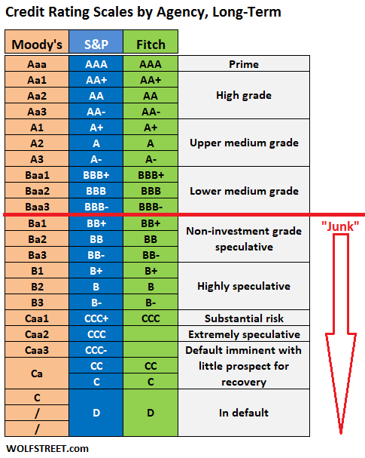

https://wolfstreet.com/credit-rating-scales-by-moodys-sp-and-fitch/

CUSIP Formula
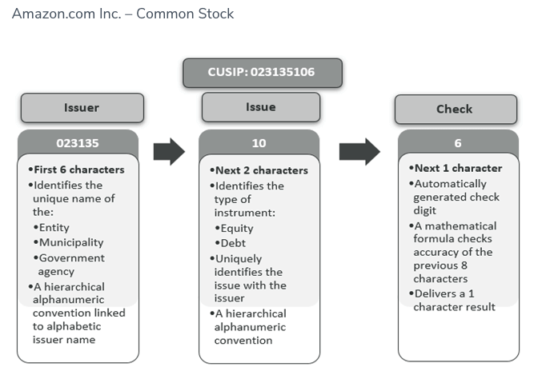
CUSIP Formula

https://www.investopedia.com/terms/c/cusipnumber.asp

Digit | Meaning
First six characters | "base" / "CUSIP-6"; identify the bond issuer
Seventh and eigth digits | Identify the type of bond
Ninth digit* | "check digit"; automatically generated

*The 9th digit is an automatically generated check digit using the "Modulus 10 Double Add Double" technique based on the Luhn algorithm.
To calculate the check digit every second digit is multiplied by two. Letters are converted to numbers based on their ordinal position in the alphabet, starting with A equal to 10.
https://en.wikipedia.org/wiki/CUSIP

https://www.cusip.com/pdf/CUSIP_Intro_03.14.11.pdf
A = 10 | F = 15 | K = 20 | P = 25 | U = 30 | Z = 35
B = 11 | G = 16 | L = 21 | Q = 26 | V = 31 | * = 36 (PPN System)
C = 12 | H = 17 | M = 22 | R = 27 | W = 32 | @ = 37 (PPN System)
D = 13 | I = 18 | N = 23 | S = 28 | X = 33 | # = 38 (PPN System)
E = 14 | J = 19 | O = 24 | T= 29 | Y = 34

https://en.wikipedia.org/wiki/CUSIP#:~:text=A%20CUSIP%20is%20a%20nine

Example:
https://www.wallstreetmojo.com/cusip-number/

